Spam Classifier
k (Laplace smoothing) |  | 0.5

tokens | 분류 | spam | normal | P(w|spam) | P(w|normal) | Log(P(w|spam)) | Log(P(w|normal))
award | 0 | 1 | 4.55% | 13.64% | -3.0910 | -1.9924
contact | 0 | 1 | 4.55% | 13.64% | -3.0910 | -1.9924
free | 3 | 2 | 31.82% | 22.73% | -1.1451 | -1.4816
get | 1 | 0 | 13.64% | 4.55% | -1.9924 | -3.0910
lottery | 2 | 0 | 22.73% | 4.55% | -1.4816 | -3.0910
me | 1 | 1 | 13.64% | 13.64% | -1.9924 | -1.9924
scholarship | 0 | 1 | 4.55% | 13.64% | -3.0910 | -1.9924
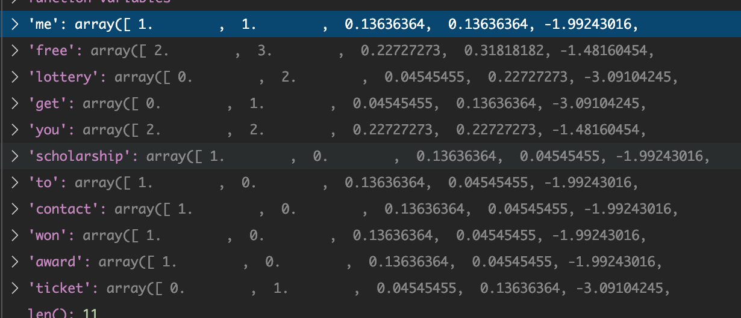
ticket | 1 | 0 | 13.64% | 4.55% | -1.9924 | -3.0910
to | 0 | 1 | 4.55% | 13.64% | -3.0910 | -1.9924
won | 0 | 1 | 4.55% | 13.64% | -3.0910 | -1.9924
you | 2 | 2 | 22.73% | 22.73% | -1.4816 | -1.4816
합계 | 10 | 10

 | P(label) | Log(label)
spam | 50.00% | -0.6931
normal | 50.00% | -0.6931

 | Log | Exp | Class
spam | -3.3199 | 3.62% | 87.50%
normal | -5.2658 | 0.52% | 12.50%

